Conceptual Model & Architecture
Business Model
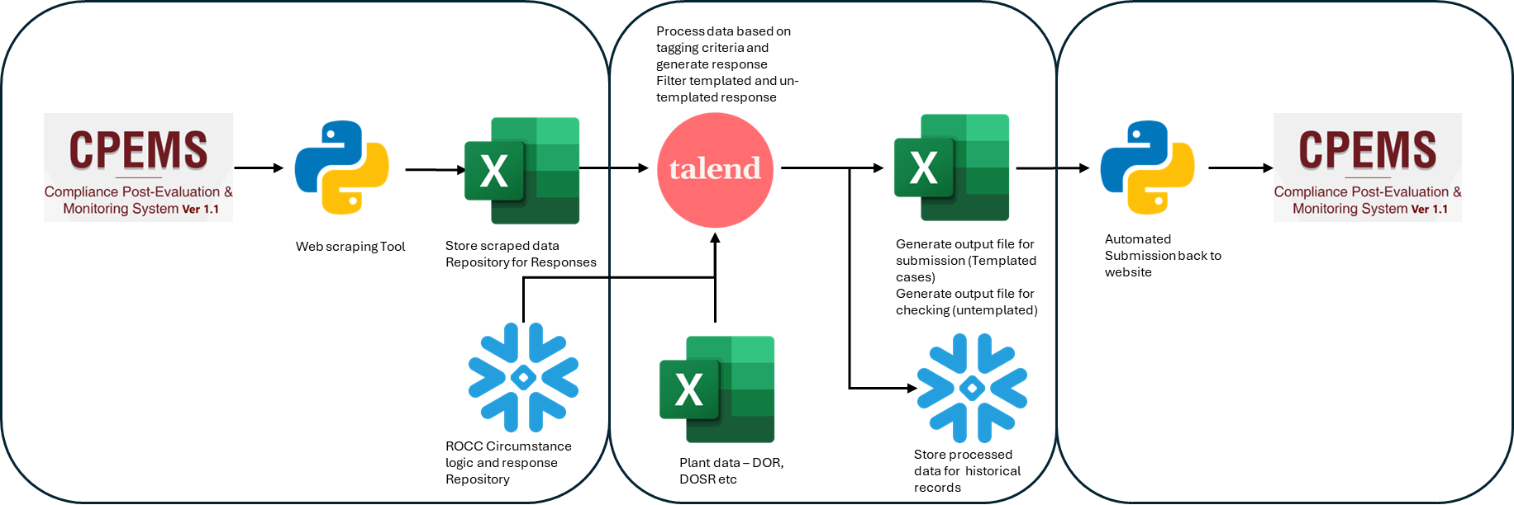

Architecture

SECTION | TOOL/S | ACCESS NEEDED | DATA SAFETY NOTES
Webscraping Ingestion of raw data to Snowflake | Web browser, Python | Digital Certificate to acess Website https://cpems.pemc.ph/login | n/a
Data Transformation and response generation | Talend, snowflake, excel | Talend | Standard protocol in using Talend-snowflake integ

